Test Case 1
Test Case ID |  | TC_Practical-008 | Test Case Description | Test cases for Google Classroom Web Application
Created By |  | Gauri Mahalle | Reviewed By | Bhavana Mahalle |  | Version |  | 1.0

Tester's Name |  |  | Date Tested |  |  | Test Case (Pass/Fail/Not Executed) |  | Pass

# | Prerequisites: |  |  | # | Test Data
1 | Access to internet |  |  | 1
2 | Chrome Browser |  |  | 2
3 | Windows OS |  |  | 3
4 |  |  |  | 4

Test Scenario | Verify the google Classroom Web Application

Step # | Step Details |  | Expected Results | Actual Results |  |  | Pass / Fail / Not executed / Suspended

1 | Install the google classroom application |  | Open google classroom application successfuly
2 | Enter valid email & password -.click "next" |  | User successfully logs in to the classroom homepage
3 | Enter valid email & wrong password |  | Error message "Incorrect password" appear
4 | Leave fields blank -.Click"login" |  | Enter "Email and Password required"
5 | Click on "Forgot password'-> Enter registered email |  | Password reset link sent to email
6 | Click and "Login" |  | User redirected login page
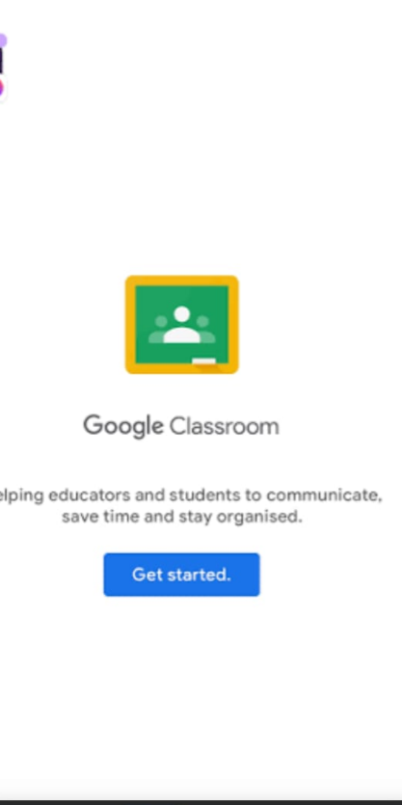
7 | Teacher clicks "Create class"-> Enter valid details -> Submit |  | Class created and visible in teacher dashboard
8 | Leave Class name black -.Click "Create" |  | Error "Class name required"
9 | Teacher selects a class ->Click "Delete" |  | Class removed from list after Confirmation
10 | Create class -> View class code |  | Unique class code generated
11 | Open class -> Edit class name/selection ->save |  | Changes reflected successfully
12 | Student entire valid class code |  | Student added to class
13 | Enter invalid code |  | Error "Invalid class code"
14 | Student requests to join -> Teacher approves |  | Student appears in class list
15 | Open class -> Click "People" tab |  | List of all students and teachers displayed
16 | Click "Create Assignment" -> Add title, instructions, due data |  | Assignment created successfully
17 | Student opens class -> Click "Classwork" |  | Assignment list displayed
18 | Student uploads file -> Click "Submit" |  | Assignment submitted successfully
19 | Submit after due date |  | Warning "Submitted late" Displayed
20 | Open submitted Assignment -> Add Marks ->Save |  | Grade visible to student

